Exercise Configurations
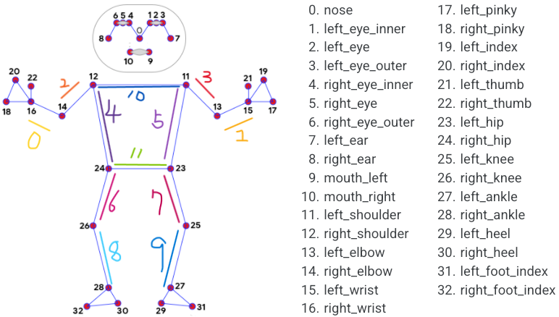
Exercise Name | Focus Pos Only List | Focus Lines Index List | Combine Letter | Count Match String List | Expect Status Change Process | Associated Exercise Title
sample_strong | 15,16,23,24,25,26,27,28 | 0,1,2,3,4,5,6,7,8,9 | @ | status1@status2 | status1,status2 | sample_title
sample_normal | 15,16,23,24,25,26,27,28 | 0,1,2,3,4,5,6,7,8,9 | @ | status1@status2 | status1,status2 | sample_title
sample_weak | 15,16,23,24,25,26,27,28 | 0,1,2,3,4,5,6,7,8,9 | @ | status1@status2 | status1,status2 | sample_title

